Blad1
Comparison | Deniz | Deniz | Deniz | Deniz | Josefin | Deniz | Josefin | Josefin | Josefin | Josefin | Josefin |  |  |  | Josefin | Josefin | Deniz
What markets will this work for? | 7011 | 7012 | 7013 | 7014 | 7015 | 7016 | 7021 | 7022 | 7023 | 7031 | 7041 |  |  |  | 7081 | 7091 | 7092
 | Ovens | Microwave ovens | Combi ovens | Hobs | Extractor hoods | Cookers (MPT: Stoves) | Fridges | Freezers | Fridge/Freezers | Dishwashers | Washing machines/washdry/dryers | Washer | Dryer | Washer/dryer | Other appliances | Extractor hoods accessories | Other appliances accessories
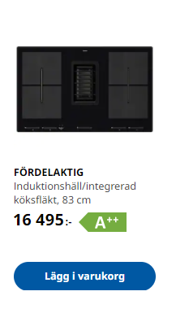
Pictures
P-type
Energy label

Warranty

Benefit Summary

In Stock
Buyable online

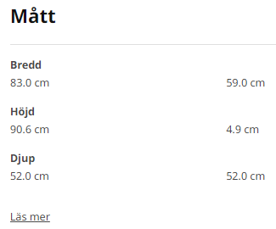
Measurements | Width: 00.0 cm | Width: 00.0 cm | Width: 00.0 cm | Width: 00.0 cm | Width: 00.0 cm | Width: 00.0 cm | Width: 00.0 cm | Width: 00.0 cm | Width: 00.0 cm | Width: 00.0 cm | Width: 00.0 cm
 | Depth: 00.0 cm | Depth: 00.0 cm | Depth: 00.0 cm | Depth: 00.0 cm | Depth: 00.0 cm | Depth: 00.0 cm | Depth: 00.0 cm | Depth: 00.0 cm | Depth: 00.0 cm | Depth: 00.0 cm | Depth: 00.0 cm
 | Height: 00.0 cm | Height: 00.0 cm | Height: 00.0 cm | Height: 00.0 cm | Height: 00.0 cm | Height: 00.0 cm | Height: 00.0 cm | Height: 00.0 cm | Height: 00.0 cm | Height: 00.0 cm | Height: 00.0 cm
 | Cord length: 0.0 m | Cord length: 0.0 m | Cord length: 0.0 m | Weight: 0.0 kg | Cord length: 0.0 m | Cord length: 0.0 m | Cord length: 0.0 m | Cord length: 0.0 m | Cord length: 0.0 m
 | Weight: 0.0 kg | Weight: 0.0 kg | Weight: 0.0 kg | Cord length: 0.0 m |  | Weight: 00 kg | Weight: 00 kg | Weight: 00 kg | Weight: 00 kg
 |  |  |  |  |  | Max installation height: 0.0 cm
 |  |  |  |  |  | Min installation height: 0.0 cm

Technical information | Technical information | Technical information | Technical information | Technical information | Technical information | Technical information | Technical information | Technical information | Technical information | Technical information | Technical information
Can this be fetched from Energy label or we can add label? | Energy class: A+ (from D to A+++). | Max microwave power: ****W. | Max microwave power: ****W. | Number of zones: ** | Extraction rate in exhaust mode: *** m³/h. |  | Energy efficiency class: * (from G to A) | Energy efficiency class: * (from G to A) | Energy efficiency class: * (from G to A) | Energy efficiency class: * (from G to A ). | Energy efficiency class: * (from G to A). Dryer
 |  | X power levels (gtk today) | X power levels (gtk today) | Power per zone? Size? | Noise level at max exhaust speed: ** dB (A). |  | Energy consumption: *** kWh/year | Energy consumption: *** kWh/year | Energy consumption: *** kWh/year | Energy consumption:0.00*/kWh/standard cycle, eco programme | Energy efficiency class: * (from G to A). Washer
 |  |  |  | Below valid for FÖRDELAKTIG, has EE | Extraction rate in recirculation mode: ** m³/h. |  | Noise level: ** dB (A). | Noise level: ** dB (A). | Noise level: ** dB (A) | Water consumption: 0.0* litres/standard cycle, eco programme | Estimated annual water consumption: ** *** l
 |  |  |  | Energy class: A++ (from D to A+++). | Noise level at max recirculation speed: ** dB (A). |  |  |  |  | Noise level: ** dB (A)
 |  |  |  | Extraction rate in exhaust mode: *** m³/h. |  | Cooking levels: x
Product Details | Volume 0.0 l | Volume 0.0 l | Volume: 0.0 l | Noise level at max. re-circulation speed: ** dB (A). | Motor power: *** W | Volume: 0.0 l (cu.ft) | Total volume: ** l | Total volume: ** l | Volume fridge: ** l | Number of place settings: 13 | Washing capacity: * kg.
Symbols for Volume? Place settings, Number of zones? |  |  |  | Extraction rate in re-circulation mode: *** m³/h. |  | Number of zones: ** |  |  | Volume freezer: ** l |  | Drying capacity: * kg
 |  |  |  | Noise level at max. exhaust speed: *** dB (A). |  | Power per zone? Size? |  |  | Total volume: ** l
 |  |  |  |  |  | Cooktop
Features | Childrens-safety lock | Childrens-safety lock | Childrens-safety lock |  | LED lighting | electric ignition | Fan – cooling | No frost/Automatic defrost | Fan – cooling | Sound signal | Steam programme
 | Extra spacious inside | Timer/clock | Timer/clock |  | Booster function | Quick-boil zone | Fast cooling | Fast freeze | Fast cooling | Beam on floor | Water stop system
 | Telescopic rails | Quickstart | Anti fingerprint |  | Dimmable lighting | Extra large zone | Vacation mode | Bottle chill | Vacation mode | Time beam on the floor | Delayed start (1-24h)
RED - Only comparisson tool | Meat thermometer |  | Quickstart |  | Touch control | Warm zone | Led light | Led light | No frost/Automatic defrost | Adjustable upper basket | Digital display
 | Clock |  |  | Child lock |  | Heat indicator | Touch control | Touch control | Fast freeze | Delayed start (** h)
 | Digital display |  |  | Timer |  | Auto-size | Door alarm | Door alarm | Bottle chill | Interior LED lighting
 | Self-cleaning |  |  | Pause |  | Power booster | Temperature alarm | Temperature alarm | Led light | Automatic dooropener
 |  |  |  | Anti over-flow |  | Oven |  |  | Touch control | Pullout cutlery tray
 |  |  |  | Easy to clean |  | Child-lock |  |  | Door alarm | Water stop system
 |  |  |  | Power booster |  | Timer |  |  | Temperature alarm
 |  |  |  | Flexible zones |  | Meat thermometer
 |  |  |  | Bridge |  | Self-cleaning
 |  |  |  | Auto-cook |  | Steam clean
 |  |  |  | Auto-size |  | Extra spacious inside
 |  |  |  | Integrated extractor hood |  | Digital display
 |  |  |  | Portable |  | Anti fingerprint

Programmes | Top and bottom heat | Bread and pizza baking | Top and bottom heating |  |  | Warming |  |  |  | Auto | Eco program
 | Fan Forced air convection | Preset cooking programs | Fan forced air convection |  |  |  |  |  |  | Normal wash | Cottons
 | Steam | Auto/Jet defrost | Bread and pizza baking |  |  |  |  |  |  | Eco wash | Synthetics
 | Grill | Crisp | Preset cooking programs |  |  |  |  |  |  | Intensive | Delicate
 | Bread and Pizza |  | Grill function | Pre-set cooking mode |  |  |  |  |  | Rapid wash | Steam
 | Defrost |  |  |  |  |  |  |  |  | Wineglass wash | Mixed
 |  |  |  |  |  |  |  |  |  | Pre wash | Sport
 |  |  |  |  |  |  |  |  |  | Silent wash | Denim
 |  |  |  |  |  |  |  |  |  | Machine care | Express care
 |  |  |  |  |  |  |  |  |  |  | Wool
 |  |  |  |  |  |  |  |  |  |  | 20 minutes/3kg
 |  |  |  |  |  |  |  |  |  |  | Time Dry
 |  |  |  |  |  |  |  |  |  |  | Auto Dry

Additional functions |  |  |  |  |  |  |  |  |  | Power clean | Machine Clean
 |  |  |  |  |  |  |  |  |  | Half load | Delay Start
 |  |  |  |  |  |  |  |  |  | DryPlus | FlexTime
 |  |  |  |  |  |  |  |  |  | ExtraHygiene
 |  |  |  |  |  |  |  |  |  | Intensive zone
 |  |  |  |  |  |  |  |  |  | Save time
 |  |  |  |  |  |  |  |  |  | Flexible wash

Accessories included

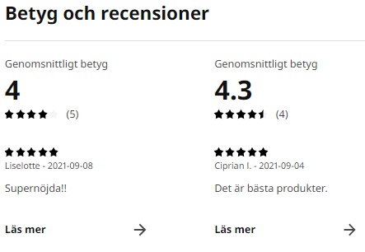
Ratings & reviews

